1. Title Page
Grocery Basket Analysis

Project Name:
Date: 28-06-2023
Analyst Name: Nicolas Jijon

Contents:
Population Flow
Consistency checks
Wrangling steps
Column derivations
Visualizations
Recommendations

2. Population Flow
Title page

Population flow

Exclusion flag
Condition: max_order < 100
Obervations to be removed: 1440295
Final total count of order_products_all: 30964564

Orders_products_combined
Orders_products_merged
df_complete

Total: 32404859
Total:32434489
Total: 32404859

1.) The grey boxes in the first row of the population flow represent the original data sets as they were when you downloaded them. In the Total fields you need to add the count of the rows when you imported the data set into Jupyter.
2.) The second row of boxes (coloured) represents the data sets after you manipulated them, e.g., removed missing values and duplicates. In the Total fields you need to add the count of the rows after conducting these operations. This offers a visual oveview of how the data flows throughout the data consistency checks.
3.) The third row, where also the arrows are coloured, represents the merges you performed between the datasets. In the Total fields you need to add the count of the rows in the merged datasets, so that you end up with the final dataset (in the red box). Keep in mind the final dataset should be without exclusions (based on the exclusion flag).

3. Consistency checks
 |  |  |  | Title page
Consistency checks

Dataset | Missing values | Missing values treatment | Duplicates
orders_wrangled.csv | 206209 missing values in 'days_since_prior_order' | No action taken as the null value indicates the customers first order placed with Instacart. | No duplicates discovered
4.3_orders_products | 16 missing values in 'product_name' | Dropping the rows with missing values | 5 duplicate rows dropped
orders_products_prior
customers
df_ords_clean_no_dups | No missing values |  | No duplicates discovered
df_prods_clean_no_dups | No missing values |  | No duplicates discovered
df_high_act_cus | No missing values |  | No duplicates discovered

4. Wrangling steps
 |  |  |  | Title page
Wrangling steps

Columns dropped | Columns renamed | Columns' type changed | Comment/Reason
eval_set |  |  | Not relevant information for analysis
 | order_dow':'order_day_of_week' |  | Better description
 |  | Order_id: df_ords['user_id'] = df_ords['user_id'].astype('str') | from Int64 to object
Df_dep Department column |  |  | transfer from wide to long
 | New Header |  | department_id, dtype: object

5. Column derivations
 |  |  |  |  |  | Title page

Column derivations and aggregations

Dataset | New column | Column/s it was derived from | Conditions | Column name | Frequencies of conditions
df_snacks
df_breakfast
df_dinner_parties
ords_prods_merge | price_range_loc | Prices | prices <5 , >5&<=15, >15 | busiest_day | Regularly busy 22416875 Busiest day 6204182 Least busy 3783802
ords_prods_merge | Busiest day | order_day_of_week | Busiest day, and lowest day | price_range_loc | Mid-range 756450 Low-range 10126321 High-range 417678
ords_prods_merge | Busiest days | order_day_of_week | 2 busiest days, 2 lowest days | busiest_days | Regularly busy 12916111 Busiest days 11864412 Least busy days 7624336
ords_prods_merge | busiest_period_of_day | order_hour_of_day | Busiest periods of purchase time | busiest_period_of_day | Average orders 9997651 Most orders 21118071 Fewest orders 1289137
ords_prods_merge | max_order | user_id & Order_number | ords_prods_merge.groupby(['user_id'])['order_number'].transform(np.max)
ords_prods_merge | Loyalty_flag
df_orders_products_merged_4.7 | max_order | user_id and order_number | groupby(['user_id'])['order_number'].transform(np.max) | max_order' | Min 1 Max 99
df_orders_products_merged_4.7 | loyalty_flag | max_order | Loyal customer > 40 Regular customer <= 40 and > 10 New customer <= 10 | loyalty_flag | Regular customer 15876776 Loyal customer 10284093 New customer 6243990
df_orders_products_merged_4.7 | avg_price | user_id and prices | groupby(['user_id'])['prices'].transform(np.average) | avg_price | Min 1 Max 25
df_orders_products_merged_4.7 | spending_flag | avg_price | loc[df['avg_price'] < 10, 'spending_flag'] = 'Low spender' loc[df['avg_price'] >= 10, 'spending_flag'] = 'High spender' | 'spending_flag' | Low spender 31770646 High spender 634213
df_orders_products_merged_4.7 | avg_days | user_id and days_since_prior_order | groupby(['user_id'])['days_since_prior_order'].transform(np.median) | avg_days | Min 0 Max 30
df_orders_products_merged_4.7 | frequency_flag | avg_days | Non-frequent customer > 20 Regular customer <= 20 and >= 10 Frequent customer <= 10 | 'frequency_flag' | Frequent customer 21559853 Regular customer 7208564 Non-frequent custome 3636437
df_complete | region | state | Northeast' = 'Maine','New Hampshire', 'Vermont', 'Massachusetts','Rhode Island','Connecticut','New York','Pennsylvania','New Jersey' 'Midwest' = 'Wisconsin','Michigan','Illinois','Indiana','Ohio','North Dakota','South Dakota','Nebraska','Kansas','Minnesota','Iowa','Missouri' 'South' = 'Delaware','Maryland','District of Columbia','Virginia','West Virginia','North Carolina','South Carolina','Georgia','Florida','Kentucky','Tennessee','Mississippi',' Alabama','Oklahoma','Texas','Arkansas','Louisiana' 'West' = else | region | South 10791885 West 8292913 Midwest 7597325 Northeast 5722736
df_complete | age_group | age | Middle-aged ->= 35 and < 60 Young adult <35 Elderly >= 60 | age_group | Middle-aged 12709949 Young adult 8627655 Elderly 11067255
df_complete | income_level | income | Moderate-income >= 40000 and <80000 Low-income <4000 High Income >= 80000 | income_level | Moderate-income 9846601 Low-income 1727198 High Income 20831060
df_complete | alcohol_customer | departments_id | department_id == 5, user_id = alcohol consumer all other user_id's = non-alcohol consumer | alcohol_customer | alcohol consumer 2413813 non-alcohol consumer 29991046
df_complete | income_level | income | Moderate-income >= 40000 and <80000 Low-income <4000 High Income >= 80000 | family_flag | single no dependants 8097503 single with dependants 1550603 married no dependants 7550904 married with dependants 15205849
df_complete | family_flag | n_dependants and fam_status | fam_status is in 'divorced/widowed', 'living with parents and siblings', 'single' & n_dependants ==0 = single no dependants fam_status is in 'divorced/widowed', 'living with parents and siblings', 'single' & n_dependants >=1 = single with dependants fam_status == married & n_dependants == 1 = married no dependants fam_status == married & n_dependants > 1 = married with dependants

6. Visualizations
 |  |  |  | Title page

Visualizations

 | Sales by Day of the Week | Orders by Hour of the Day |  |  |  | Average Prices by Hour of the Day


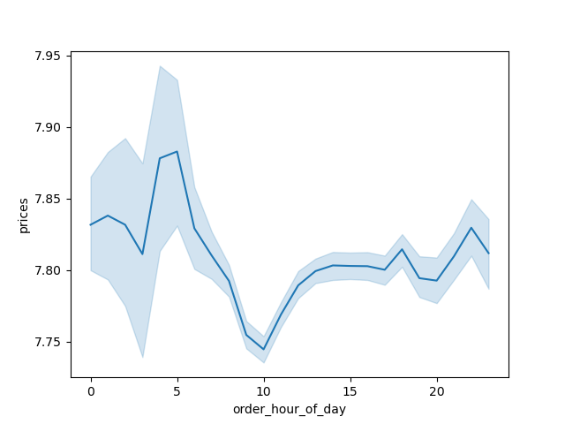

 | Figure 1. Saturday and Sunday are the busiest days of the week. Monday and Tuesday have the lowest sales of the week. We can infer that could be related to people order when they are at home in order to receive the groceries. |  | Figure 2. The busiest hours of the day in the platform are from 10 to 3 pm followed for a progresive decline toward the night, as expected close to midnaight to middle of the day there is no much activity in the app. |  |  |  | Figure 3. At the beginning of the day we can see an spike on the average of prices.However, this chart alone can not provide much information if this is a constant behavior, we need complementary information to confirm this.

 | Sales by Price of Goods


 | Figure 4. The illustration here presents how prices are spread out, particularly for items below $25. A large proportion of the items fall under the $15 mark, with around $7 being the most frequent price point.
 | Are there certain types of products that are more popular than others?

 | Sales by Department

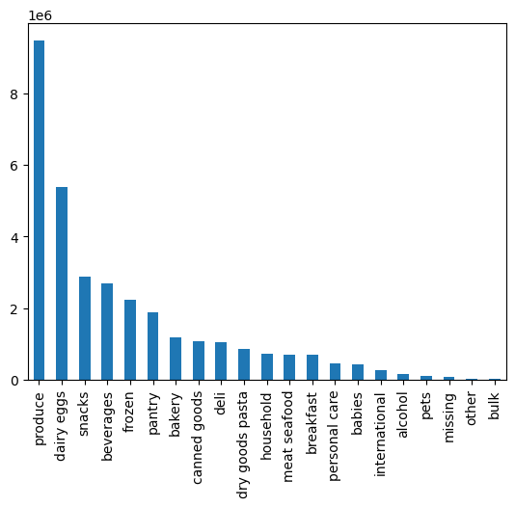

Figure 5. The chart displays how sales are distributed across various departments. Produce stands out as the department with the most sales by a significant margin. Dairy and egg products follow, with snacks and beverages trailing closely.

 | The marketing and sales teams are particularly interested in the different types of customers in their system and how their ordering behaviors differ.

Customers by Loyalty Flag |  | Customer Age and Income |  |  | Age Group Distribution
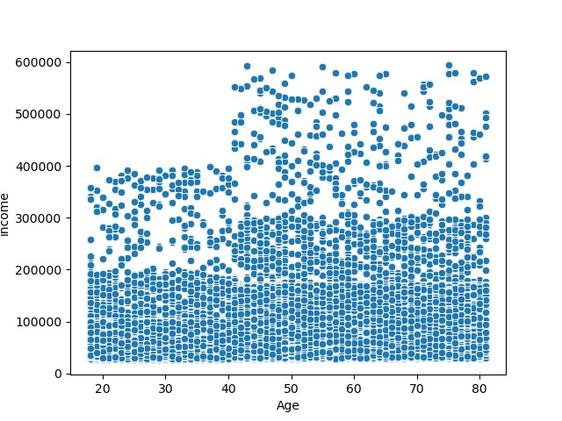
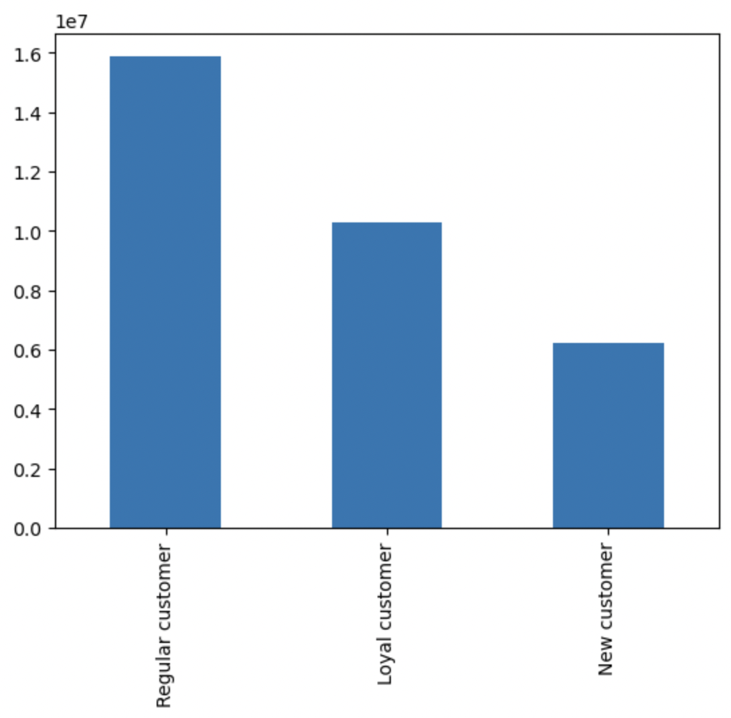
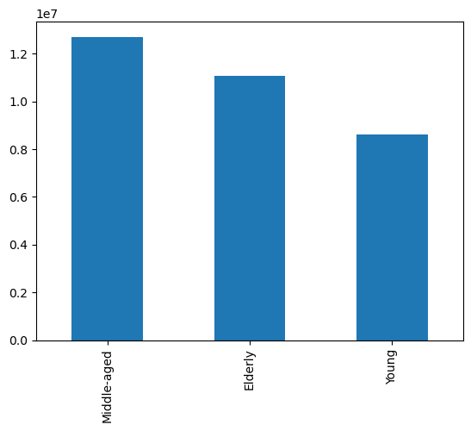

 | Figure 6. The graph reveals how customers are categorized according to their loyalty status. Those labeled as regular customers, who have made between 10 and 40 orders, make up the largest group. Loyal customers, having placed more than 40 orders, are the next category. |  | Figure 7. The scatterplot illustrates the relationship between income levels and age. There is no evident trend, although it is noticeable that individuals under 40 generally have lower income compared to those 40 and above. |  |  |  | Figure 8. We categorized individuals into three age brackets; the middle-aged group (35-60 years) is the most significant in size, followed by the elderly (over 60), while the under-35s make up the smallest group.

Number of Dependents by Age |  | Age Group by Region |  |  |  | Income Group Distribution

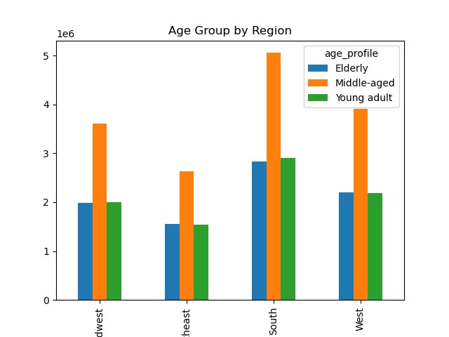
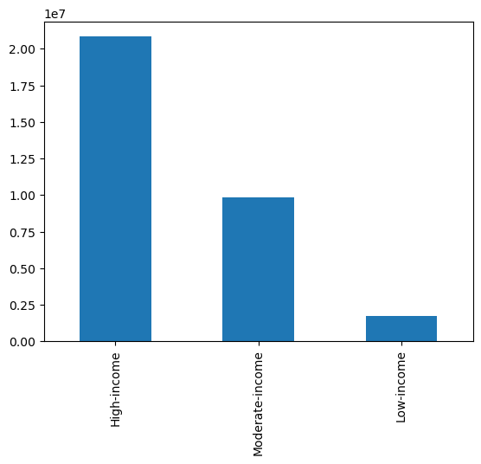

 | Figure 9. In the distribution depicting the number of dependents across various ages, there isn't a discernible trend or pattern. |  | Figure 10. When examining the distribution of age groups among four regions, the patterns are strikingly similar. The South is the largest region, but the relative composition of age groups remains consistent across regions. |  |  |  | Figure 11. We've clustered customers based on income levels. Those with a high income (above $80,000) form the largest segment, followed by the moderate-income group ($40,000 to $80,000), while the low-income bracket is the smallest.
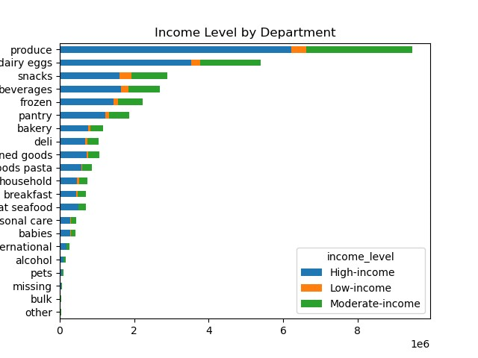
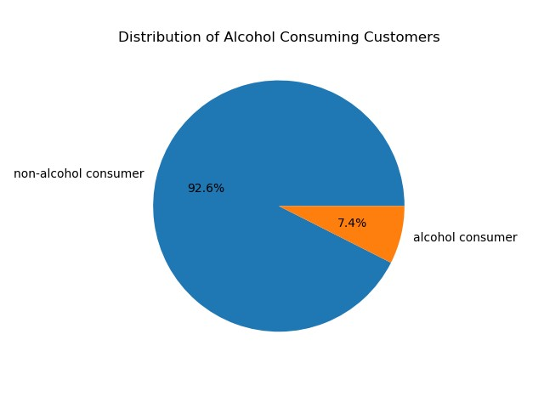
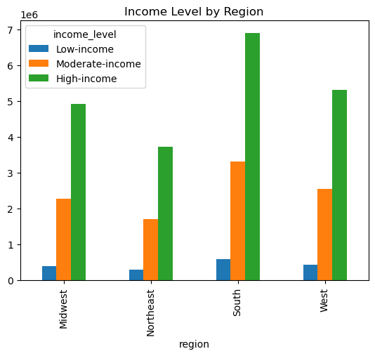

 | Figure 12. Across different regions, the proportions of income groups are almost identical in distribution. |  | Figure 13. Here we observe that each department's sales are constituted by purchases from the three income groups, with high-income customers contributing the most significant share. |  |  |  | Figure 14. The pie chart displays the proportion of customers buying alcohol through Instacart, with a notable majority refraining from alcohol purchases.
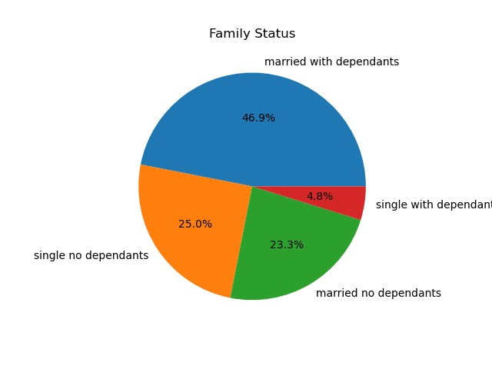
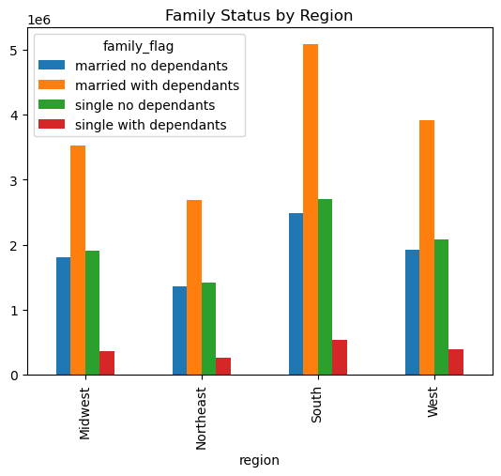
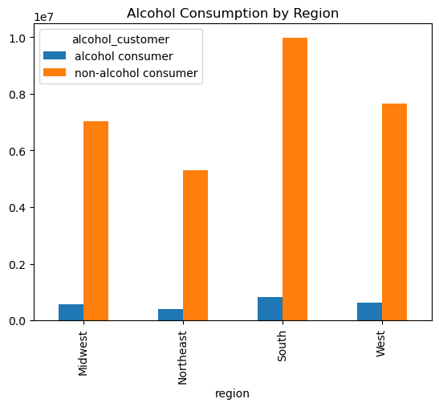

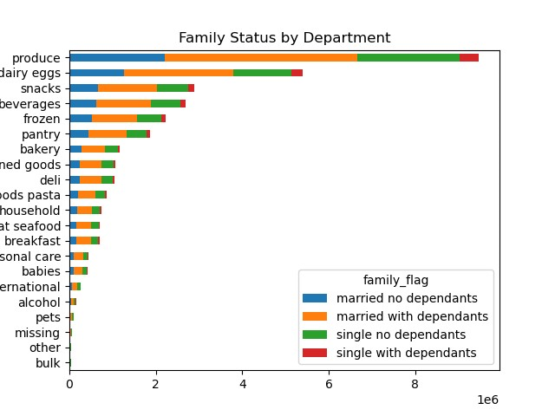
 | Figure 15. The distribution of customers who purchase alcohol across different regions closely mirrors the overall customer distribution, without any remarkable deviations. |  | Figure 16. The pie chart depicts the composition of various family structures. Almost half of the customers are married with dependents, whereas a significantly smaller fraction is unmarried. |  |  |  | Figure 17. When observing family types across different regions, no noteworthy trends or patterns emerge.

 | Figure 18. No apparent trends are observed across various departments.

7. Recommendations
 |  |  |  | Title page

Recommendations

Key Question 1
The sales team needs to know what the busiest days of the week and hours of the day are (i.e., the days and times with the most orders) in order to schedule ads at times when there are fewer orders.

Visuals

Fig. 1 Sales by Day of the Week |  |  | Fig 2. Orders by Hour of the Day



Recommendations
Optimize advertising efforts by focusing on weekdays from 5 pm to 10 pm, as this time frame captures consumers after work hours.

Key Question 2
The sales team also want to know whether there are particular times of the day when people spend the most money, as this might inform the type of products they advertise at these times.

Visuals

Fig. 3 Sales by Day of the Week

Recommendations
Prioritize resource allocation during the high-traffic hours between 9 am and 4 pm, as order volume is greatest during this period and order values remain relatively stable throughout the day.

Key Question 3
Instacart has a lot of products with different price tags. Marketing and sales want to use simpler price range groupings to help direct their efforts.

Visuals


Fig. 4 Price of Products Frequency

Price

Recommendations
Reevaluate the pricing strategy, particularly for items priced below $15, and consider a moderate price increase for items under $5 to boost revenue.

Key Question 4
Are there certain types of products that are more popular than others? The marketing and sales teams want to know which departments have the highest frequency of product orders.

Visuals

Fig. 5 Orders by Department

Recommendations
Allocate more marketing resources towards promoting the produce, dairy, and eggs departments, which are the most popular, while considering specialized campaigns for niche departments.

Key Question 5
What’s the distribution among users in regards to their brand loyalty (i.e., how often do they return to Instacart)?

Visuals

Fig. 6 Customers by Loyalty Group

Recommendations
Develop a structured loyalty program with tiered benefits to encourage repeat purchases and reward long-term customers.

Key Question 6
Are there differences in ordering habits based on a customer’s loyalty status?

Visuals

Fig. 7 Department Orders as % of Customer Loyalty
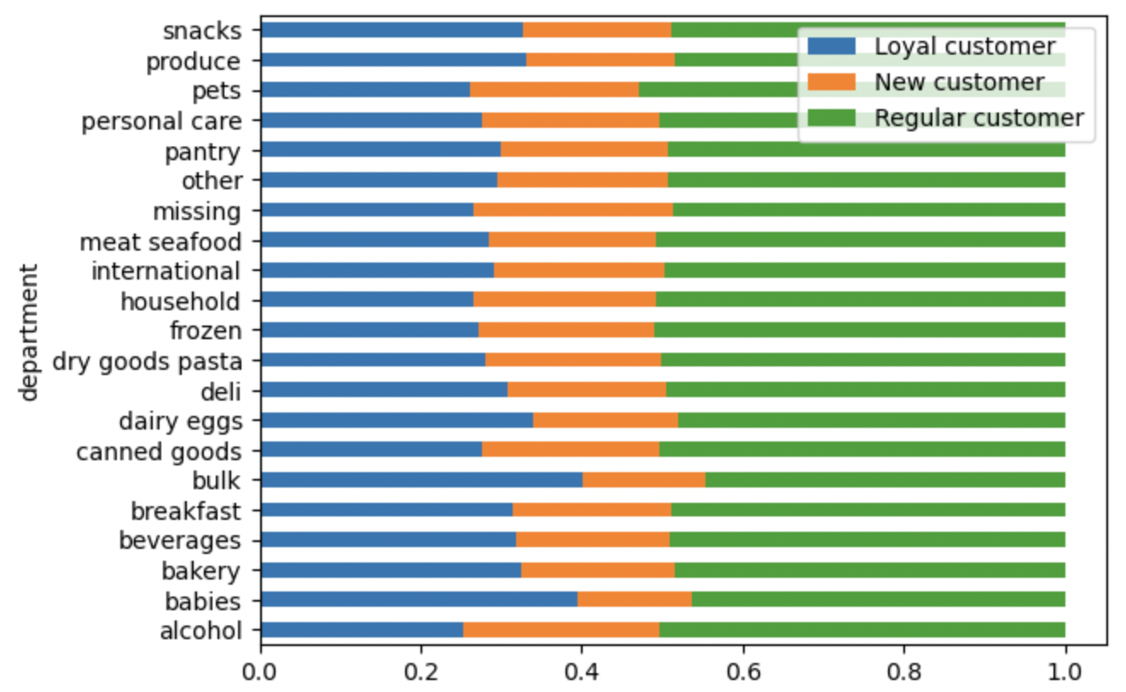

Recommendations
We can not see a clear difference based on users loyalty
Customize the loyalty program by offering additional rewards or discounts for departments like babies and bulk goods, which have a higher percentage of sales from loyal customers.

Key Question 7
Are there differences in ordering habits based on a customer’s region?

Visuals

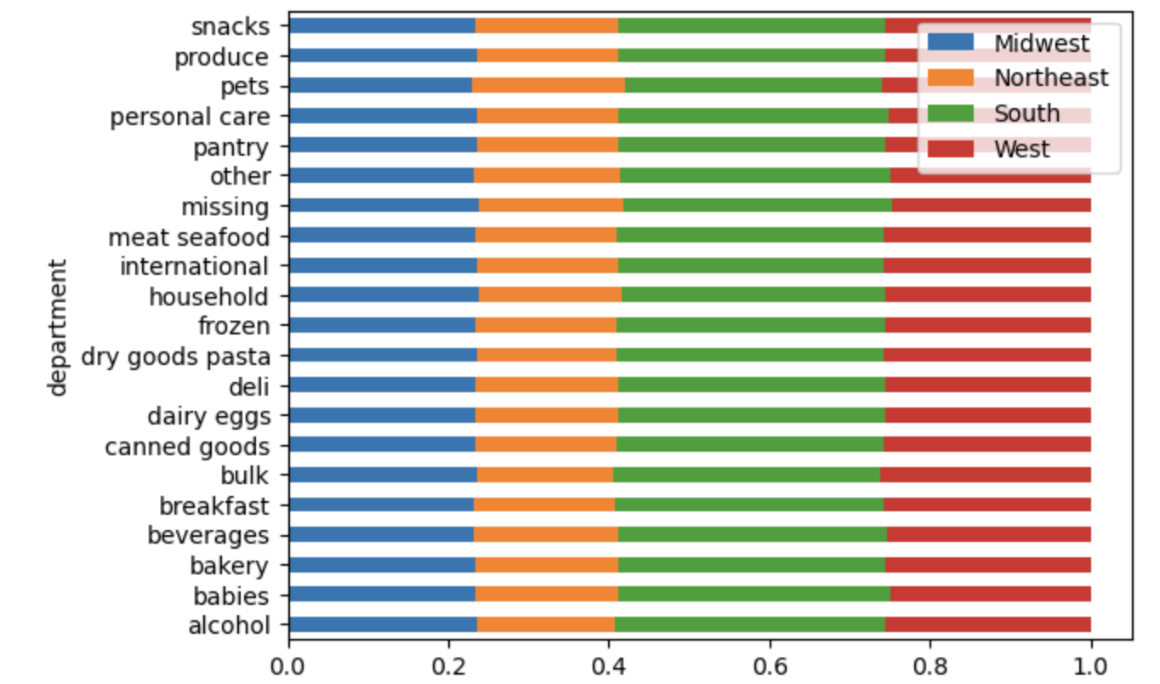

Recommendations
Adopt a consistent marketing and operational strategy across all regions, as the data suggests uniformity in customer preferences and loyalty across regions.

Key Question 8
Is there a connection between age and family status in terms of ordering habits?
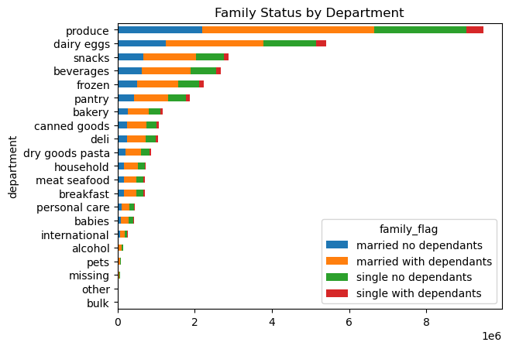

Recommendations
Implement a broad-based customer engagement strategy that doesn't heavily focus on age or family status, since these factors do not appear to significantly influence customer loyalty or order frequency.

Key Question 9
What different classifications does the demographic information suggest? Age? Income? Certain types of goods? Family status?

Visuals

Fig. 13 Age Group Demographics |  |  | Fig. 14 Income Demographics |  | Fig. 15 Family Status Pie Chart | Fig. 16 Customers Ordering Alcohol

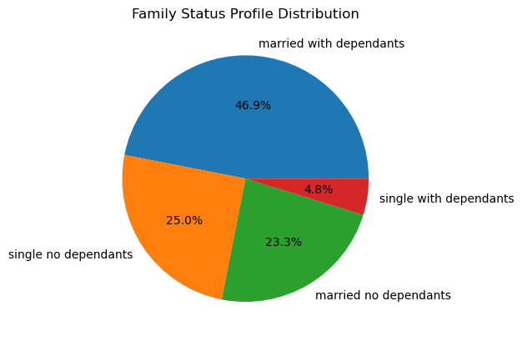
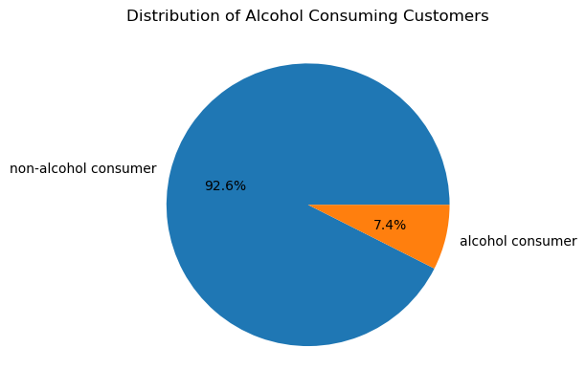

Recommendations
Expand customer base by targeting young and low-income demographics with discounts and digital marketing, and emphasize alcohol sales due to its high-profit margin and current under-representation in sales.

Key Question 10
What differences can you find in ordering habits of different customer profiles? Age? Income? Certain types of goods? Family status?

Visuals

Table. 2 Profile Ordering Habits

 | Average Price | Average Days between orders

Age Group
Elderly | 11.76 | 10.39
Middle-aged | 12.04 | 10.40
Young | 12.17 | 10.41
Family Status
Married no dependents | 11.71 | 10.43
Married with dependents | 12.15 | 10.41
Single no dependents | 12.13 | 10.37
Single with dependents | 10.83 | 10.32
Income Group
High-income | 14.47 | 10.30
Low-income | 6.50 | 11.25
Moderate-income | 7.67 | 10.46

Recommendations
Focus on engaging high-income customers by introducing a referral program and tailored marketing initiatives that leverage their higher average spending habits.

